ORDER INFO
 | SPECIFICATIONS |  |  | LAYERS

 | No of Layers | 2 |  | TOP Layer | YES
 | PCB thickness | 1 | mm | MID Layer1 | NO
 | Copper finish thickness | 1 | oz | MID Layer2 | NO
 | UL Logo | NO |  | BOTTOM Layer | YES
 | Material | FR4 |  | TOP Silk screen | YES
 | Finish | HASL |  | BOTTOM Silk Screen | YES
 | Solder Mask | YES | GREEN | Top Solder Mask | YES
 | Silk Screen Printing | YES |  | Bottom Solder Mask | YES
 | FPT | YES |  | KEEP OUT LAYER | YES | Keep out layer is the outline of PCB

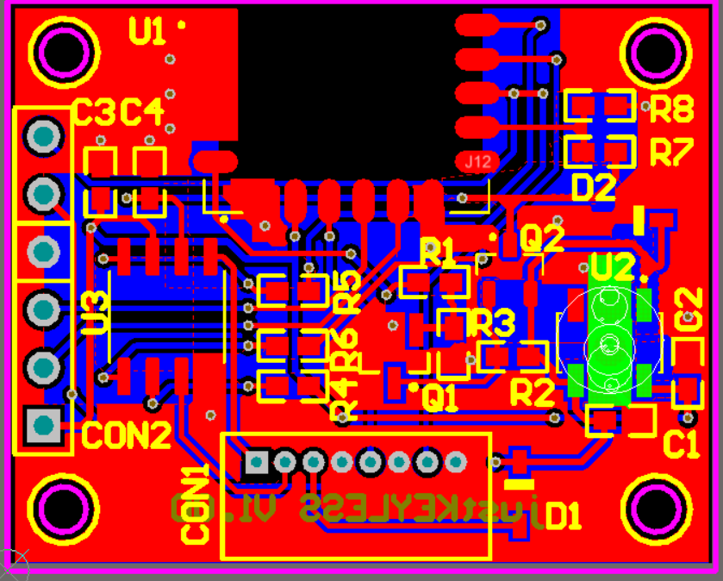
Mounting Holes
 |  |  |  |  |  |  | Mounting Holes

